CAP
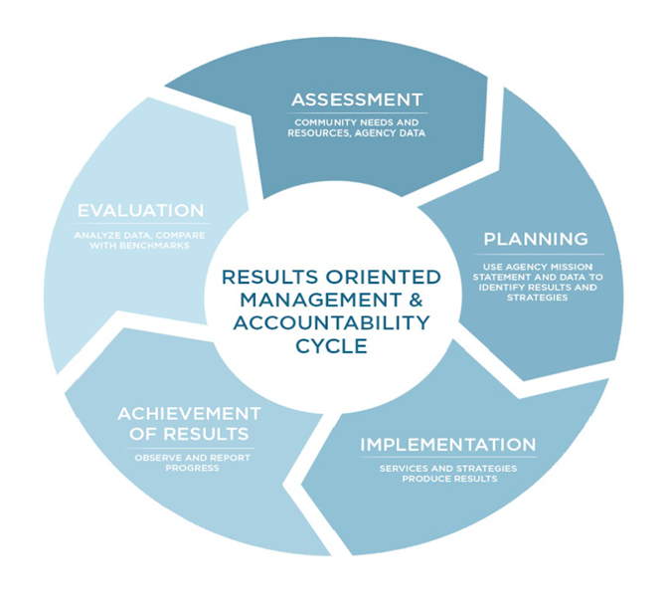
Wyoming Department of Health
Public Health Division
Community Services Program
FFY24 Community Action Plan (CAP)
The Community Action Plan (CAP) has been designed to help CSBG grantees develop a well-defined, living document that is founded on the CSBG mission to combat poverty and increase self-sufficiency based on local needs. Agency CAP’s will be formed by analyzing community needs, developing goals, implementing activities and strategies, monitoring progress (through NPI’s when able) and evaluating impact. The ROMA Cycle chart above provides a visual guide to the process.

